1. Title Page
[Project Name]

Project Name:
Date:
Analyst Name:

Contents:
Population Flow
Consistency checks
Wrangling steps
Column derivations
Visualizations
Recommendations

Data Citation:
1) The Instacart Online Grocery Shopping Dataset 2017 via Kaggle on 10.01.2024
https://www.instacart.com/datasets/grocery-shopping-2017
2) Customers data set -- CareerFoundry

2. Population Flow
Title page

Population flow

Exclusion flag
Condition: max_order <
Obervations to be removed:
Final total count of order_products_all:

Orders_products_combined
Orders_products_merged
Orders_products_all

Total: 32434212
Total: 32434489
Total: 32434212

1.) The grey boxes in the first row of the population flow represent the original data sets as they were when you downloaded them. In the Total fields you need to add the count of the rows when you imported the data set into Jupyter.
2.) The second row of boxes (coloured) represents the data sets after you manipulated them, e.g., removed missing values and duplicates. In the Total fields you need to add the count of the rows after conducting these operations. This offers a visual oveview of how the data flows throughout the data consistency checks.
3.) The third row, where also the arrows are coloured, represents the merges you performed between the datasets. In the Total fields you need to add the count of the rows in the merged datasets, so that you end up with the final dataset (in the red box). Keep in mind the final dataset should be without exclusions (based on the exclusion flag).

3. Consistency checks
 |  |  |  | Title page
Consistency checks

Dataset | Missing values | Missing values treatment | Duplicates
orders | days_since_prior_order | Relevant missing values that represent first order. They were NOT dropped | No duplicates
products | 16 missing product names | excluded by creating subset 'df_prods_clean' | 5 duplicate records--excluded by creating subset 'df_prods_clean_no_dups'
orders_products_prior | No missing values |  | No duplicates
customers | No missing values |  | No duplicates

4. Wrangling steps
 |  |  |  | Title page
Wrangling steps

Columns dropped | Columns renamed | Columns' type changed | Comment/Reason
eval_set |  |  | Dropped 'eval_set' because it wasn't relevant for the analysis.
Unnamed: 0 |  |  | Dropped extra index column that wasn't needed.
 | 'orders_dow' to 'orders_day_of_week' |  | Changed column name to be more understandable.
 | days_since_prior_order': 'days_since_last_order' |  | Changed column name to be more understandable.
 |  | Age': 'int8' | Save RAM space
 |  | n_dependants': 'int8' | Save RAM space
 |  | 'income':'int32' | Save RAM space
 |  | First Name':'str' | Changed data type to string to match the kind of data in the column.
 |  | Surnam':'str' | Changed data type to string to match the kind of data in the column.
 | "First Name":"first_name" |  | Changed column name to remove space.
 | Surnam:"last_name" |  | Changed column name to be more understandable.
 | Gender:"gender" |  | Changed column name for more consistant capitalization
 | STATE:"state" |  | Changed column name for more consistant capitalization
 | "Age":"age" |  | Changed column name for more consistant capitalization

5. Column derivations
 |  |  |  | Title page

Column derivations and aggregations

In this tab you should add tables below that the frequences of flags/label variables that you produced after deriving them. NB: don't do this for continuous variables, only for flags.
Dataset | New column | Column/s it was derived from | Conditions
orders_products_merged | 'price_label' | 'price' | > 15 = 'High-range product' =< 15 and > 5 = 'Mid-range product' < 5 = 'Low-range product'
orders_products_merged | 'busiest_days' | 'order_day_of_week' | result_2 = [] for value in df_ords_prods_merge["orders_day_of_week"]: if value == 0 or value == 1: result_2.append("Busiest days") elif value == 4 or value == 3: result_2.append("Slowest days") else: result_2.append("Regularly busy")
orders_products_merged | busiest_period_of_day' | order_hour_of_day' | for value in df_ords_prods_merge["order_hour_of_day"]: if value == 10 or value == 11 or value == 14: hour.append("Most orders") elif value == 2 or value == 4 or value == 3: hour.append("Fewest orders") else: hour.append("Average orders")
orders_products_merged_derived | 'max_order' | order_number' | ords_prods_merge.groupby(['user_id'])['order_number'].transform('max')
orders_products_merged_derived | 'loyalty_flag' | 'max_order' | ords_prods_merge.loc[(ords_prods_merge['max_order'] <= 40) & (ords_prods_merge['max_order'] > 10), 'loyalty_flag'] = 'Regular customer'
orders_products_merged_derived | 'mean_spend' | 'price' | mean_spend column to show customers based on their mean prices across products
orders_products_merged_derived | 'spending_flag' | 'mean spend' | ords_prods_merge.loc[ords_prods_merge['median_order_frequency'] > 20, 'order_frequency_flag'] = 'Non-frequent customer' ords_prods_merge.loc[(ords_prods_merge['median_order_frequency'] <= 20) & (ords_prods_merge['median_order_frequency'] > 10), 'order_frequency_flag'] = 'Regular customer' ords_prods_merge.loc[ords_prods_merge['median_order_frequency'] <= 10, 'order_frequency_flag'] = 'Frequent customer'
ords_prods_customers_left | 'Region' | 'State' | for value in df_ords_customers['state']: if value in ('Maine', 'New Hampshire', 'Vermont', 'Massachusetts', 'Rhode Island', 'Connecticut', 'New York', 'Pennsylvania', 'New Jersey'): result.append('Northeast') elif value in ('Wisconsin', 'Michigan', 'Illinois', 'Indiana', 'Ohio', 'North Dakota' , 'South Dakota', 'Nebraska', 'Kansas', 'Minnesota', 'Iowa', 'Missouri'): result.append('Midwest') elif value in ('Delaware', 'Maryland', 'District of Columbia', 'Virginia', 'West Virginia', 'North Carolina', 'South Carolina', 'Georgia', 'Florida', 'Kentucky', 'Tennessee', 'Mississippi', 'Alabama', 'Oklahoma', 'Texas', 'Arkansas', 'Louisiana'): result.append('South') elif value in ('Idaho', 'Montana', 'Wyoming', 'Nevada', 'Utah', 'Colorado', 'Arizona', 'New Mexico', 'Alaska', 'Washington', 'Oregon', 'California', 'Hawaii'): result.append('West') else: result.append('Unknown')
ords_prods_customers_left | 'spending_flag' | 'max_order' | df_ords_customers.loc[df_ords_customers['max_order'] < 5, 'low_activity'] = 'True' df_ords_customers.loc[df_ords_customers['max_order'] >= 5, 'low_activity'] = 'False'
ords_prods_customers_left | 'age_flag' | age' | df_ords_customers['age_flag'] = np.select( [(df_ords_customers['age'] >= 18) & (df_ords_customers['age'] < 40), (df_ords_customers['age'] >= 40) & (df_ords_customers['age'] < 60), df_ords_customers['age'] >= 60], age_labels, default=np.nan )
ords_prods_customers_left | 'income_flag' | income' | df_ords_customers.loc[df_ords_customers['avg_income'] > 128000, 'income_flag'] = 'High income' df_ords_customers.loc[(df_ords_customers['avg_income'] <= 128000) & (df_ords_customers['avg_income'] > 67000), 'income_flag'] = 'Middle income' df_ords_customers.loc[df_ords_customers['avg_income'] <= 67000, 'income_flag'] = 'Low income'

6. Visualizations
 |  |  |  | Title page

Visualisations

The busiest days of the week and hours of the day:
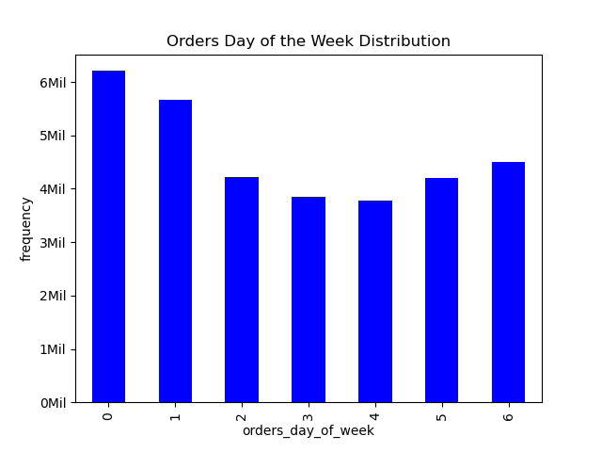


 |  |  |  |  | The busiest day of the week was 0 which corresponds to Saturday.
 |  |  |  |  | The busiest hour of the day was 10 am, and the peak hours were between 10 and 15.

Particular times of the day when people spend the most money

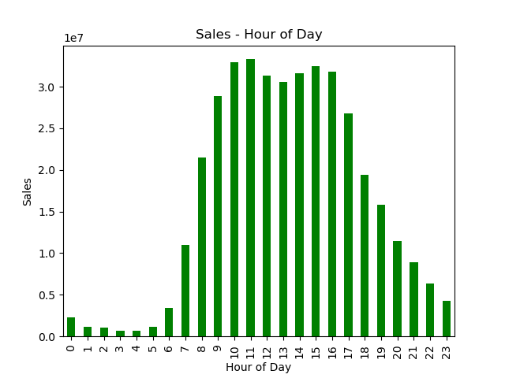

 |  | People spent the most money at 11 am.
 |  | Sales were significantly high between 10 to 16.

Simpler price range groupings

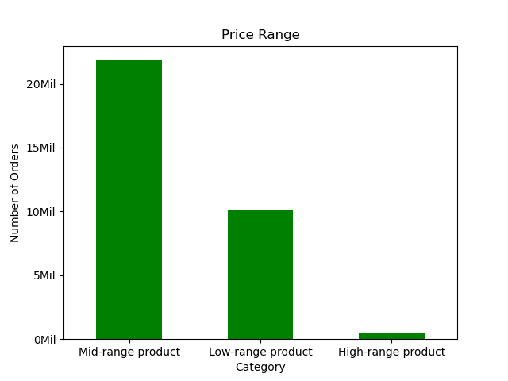

 | Price range groups were as follows:
 | prices <= 5: 'Low range product'
 | price > 5 and <= 15: 'Mid range product'
 | price >15: 'High range product'

Department Popularity
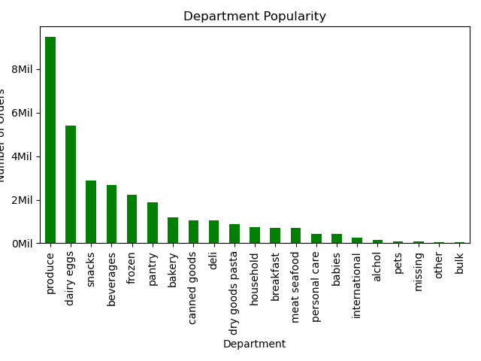

 |  |  | Produce was the most popular department purchase.
 |  |  | Dairy eggs and then snacks were the next popular department purchases.

Marketing strategy:
Customer Loyalty - How often do they return to Instacart?
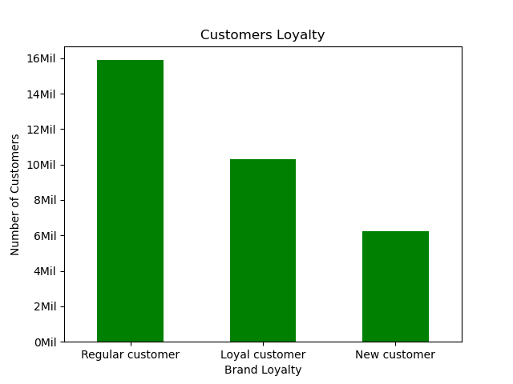
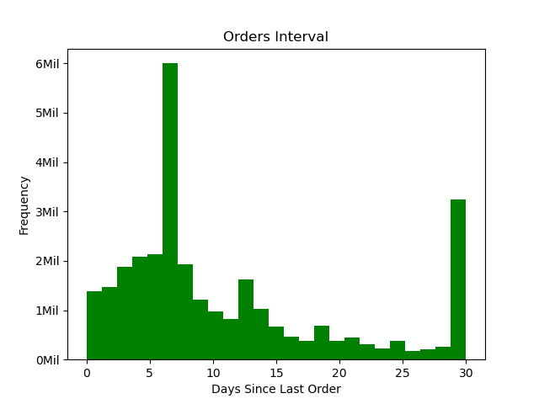

 |  |  |  |  | Most of our customers were 'Regular customer' (orders: 10-40), and then 'Loyal customer' (orders: > 40).

 |  |  |  |  | Most of our customers revisited and purchased 6 days since prior order.

Ordering habits based on a customer’s loyalty status
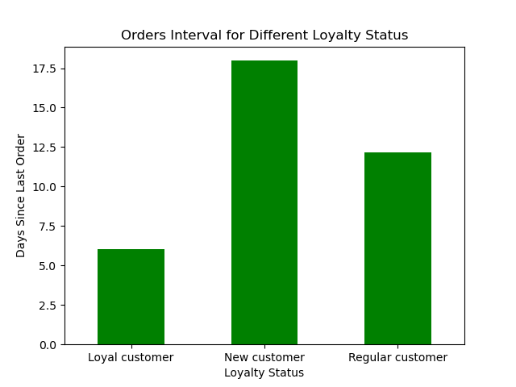
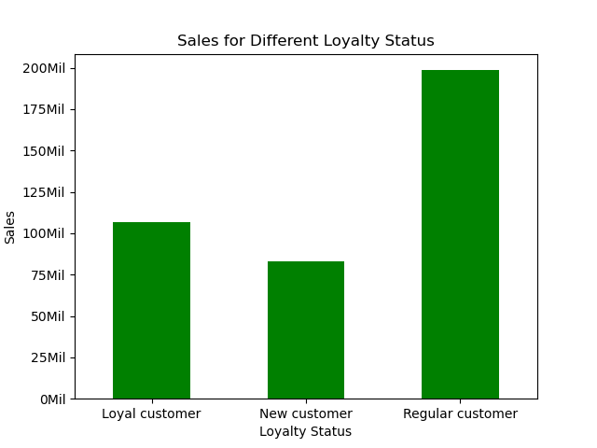
 |  |  |  |  |  |  | Ordering habits based on Customer's Loyalty Status:
 |  |  |  |  |  | 1) | Sales: 'Regular customers' accounted for the largest portion of sales.

 |  |  |  |  |  | 2) | Orders interval:
 |  |  |  |  |  |  | shortest | Loyal customer |  | 6 days
 |  |  |  |  |  |  | longest | New customer |  | 17.5 days

 |  |  |  |  |  | 3) | Which day of week (dow) had most orders?
 |  |  |  |  |  |  | Loyal customer |  | 1 | Sunday | 1845387
 |  |  |  |  |  |  |  |  | 0 | Saturday | 1756216
 |  |  |  |  |  |  |  |  | 5 | Thursday | 1458107
 |  |  |  |  |  |  | Regular customer |  | 0 | Saturday | 3171836
 |  |  |  |  |  |  |  |  | 1 | Sunday | 2752020
 |  |  |  |  |  |  |  |  | 6 | Friday | 2284262
 |  |  |  |  |  |  | New customer |  | 0 | Saturday | 1281580
 |  |  |  |  |  |  |  |  | 1 | Sunday | 1068423
 |  |  |  |  |  |  |  |  | 6 | Friday | 896507

 |  |  |  |  |  | 4) | What time of the day (hod) had most orders? (Figure not shown here)
 |  |  |  |  |  |  | Loyal customer |  | 10 | 938581
 |  |  |  |  |  |  |  |  | 9 | 883711
 |  |  |  |  |  |  |  |  | 11 | 873880
 |  |  |  |  |  |  | Regular customer |  | 11 | 1340313
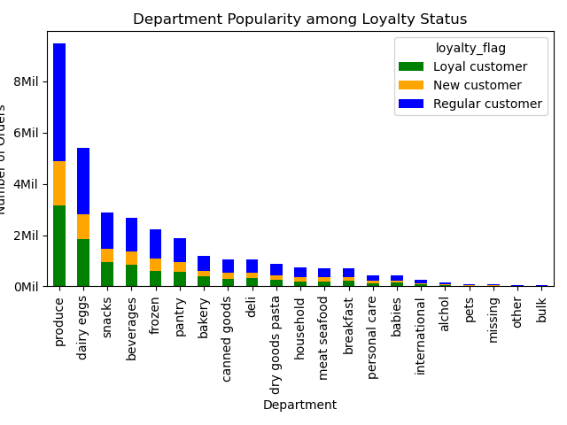
 |  |  |  |  |  |  |  |  | 10 | 1330939
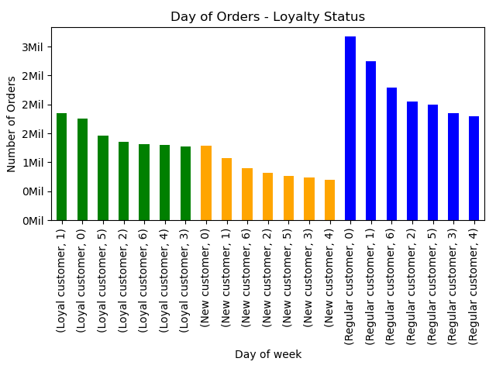
 |  |  |  |  |  |  |  |  | 14 | 1324011
 |  |  |  |  |  |  | New customer |  | 15 | 540901
 |  |  |  |  |  |  |  |  | 13 | 531953
 |  |  |  |  |  |  |  |  | 14 | 531638

 |  |  |  |  |  | 5) | Department popularity: 'produce', 'dairy eggs' and 'snacks' were top 3 departments in each loyal status.

Different ordering habits based on a customer’s region:
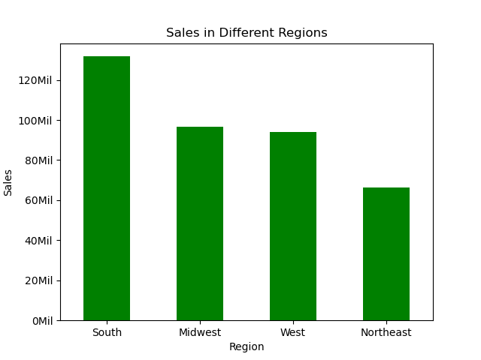
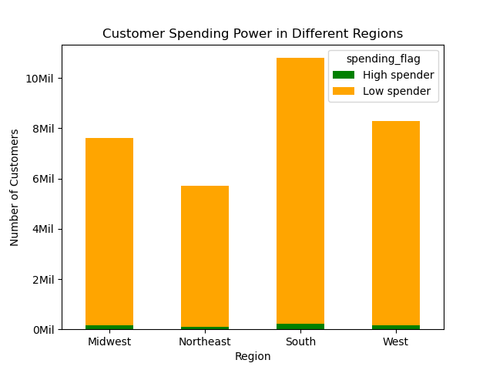
 |  |  |  |  |  |  | Ordering habits based on Regions:
 |  |  |  |  |  | 1) | Sales: Customers in 'South' accounted for the largest portion of sales.

 |  |  |  |  |  | 2) | Proportion of customer spending power in different regions had no significant difference.
 |  |  |  |  |  |  | Numbers of 'High spender' were very low countrywide.

 |  |  |  |  |  | 3) | Which day of week (dow) had most orders?
 |  |  |  |  |  |  | Midwest | 0 | Saturday | 1461356
 |  |  |  |  |  |  |  | 1 | Sunday | 1322079
 |  |  |  |  |  |  | Northeast | 0 | Saturday | 1098361
 |  |  |  |  |  |  |  | 1 | Sunday | 1000935
 |  |  |  |  |  |  | South | 0 | Saturday | 1813306
 |  |  |  |  |  |  |  | 1 | Sunday | 1675788
 |  |  |  |  |  |  | West | 0 | Saturday | 1836609
 |  |  |  |  |  |  |  | 1 | Sunday | 1667028

 |  |  |  |  |  | 4) | What time of the day (hod) had most orders? (Figure not shown here)
 |  |  |  |  |  |  | Midwest |  | 10 | 647210
 |  |  |  |  |  |  |  |  | 11 | 642398
 |  |  |  |  |  |  | Northeast |  | 10 | 485320
 |  |  |  |  |  |  |  |  | 11 | 483329
 |  |  |  |  |  |  | South |  | 10 | 816593
 |  |  |  |  |  |  |  |  | 11 | 805890
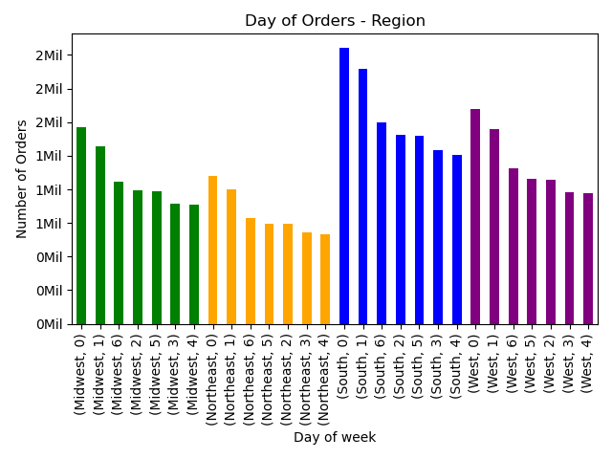
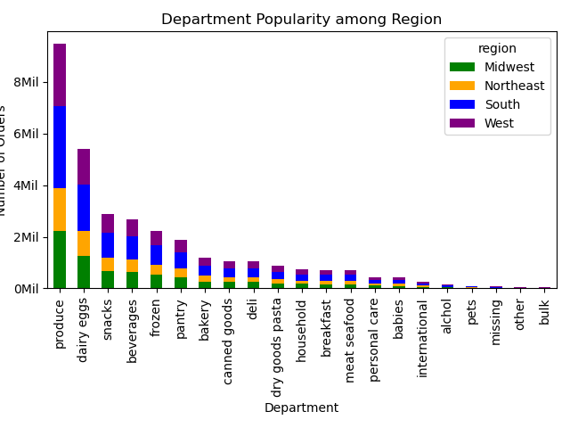
 |  |  |  |  |  |  | West |  | 10 | 815267
 |  |  |  |  |  |  |  |  | 11 | 806968

 |  |  |  |  |  | 5) | Department popularity: 'produce', 'dairy eggs' and 'snacks' were top 3 departments in each region.

Connection between age and family status in terms of ordering habits:
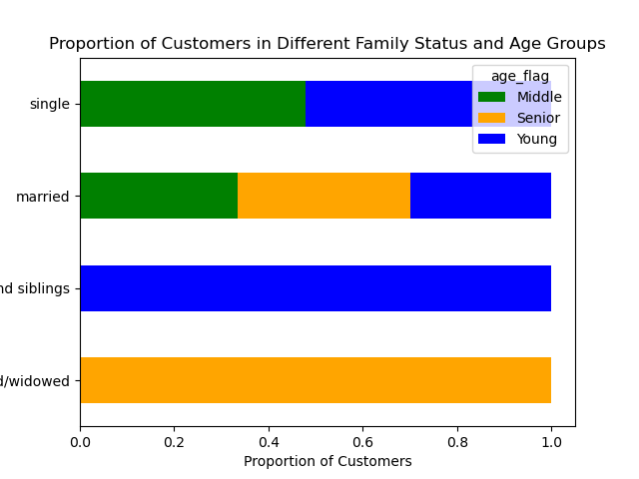
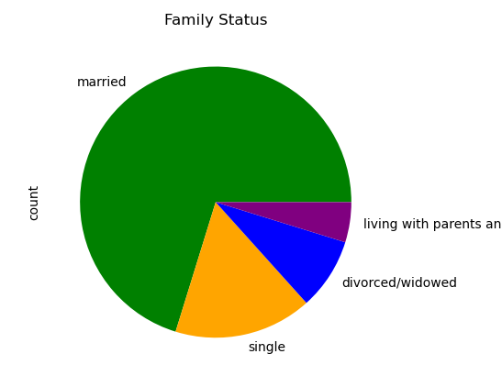
 |  |  |  |  |  | Connection between Age & Family Status:
 |  |  |  |  |  | Most of our customers were 'married'.
 |  |  |  |  |  | Proportion of customer in different family status and age groups:
 |  |  |  |  |  | - all customers who were 'divorced/widowed' were over 60 yrs;
 |  |  |  |  |  | - all customers who were 'living with parents and sinlings' were between 18 and 40;
 |  |  |  |  |  | - 'Single' customers were between 18 and 60;
 |  |  |  |  |  | - Age groups in 'married' customers were well distributed.

 |  |  |  |  |  | Loyalty status were well distributed among each age group.

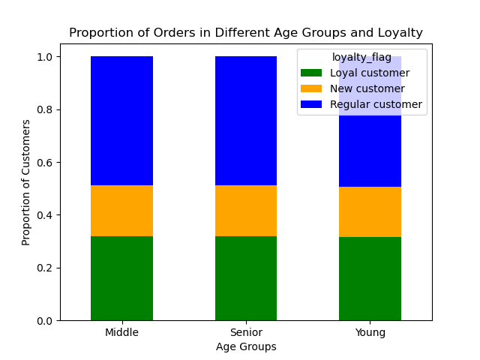

Customer Profile: Age, Income, Goods, and Family Status. Differences in ordering habits in customer profiles: price of orders, the frequency of orders, and the products customers are ordering.

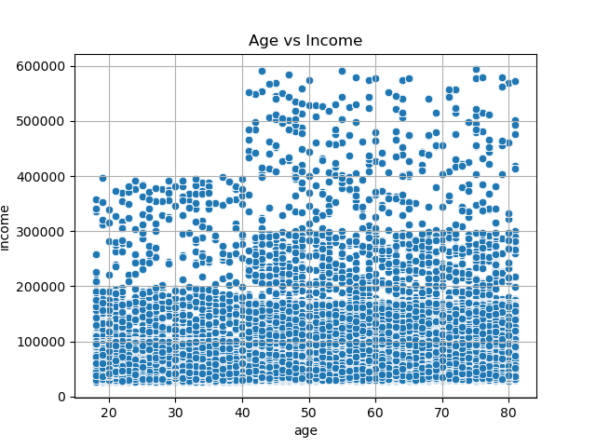
Income Groups: |  |  |  | Age & Income:
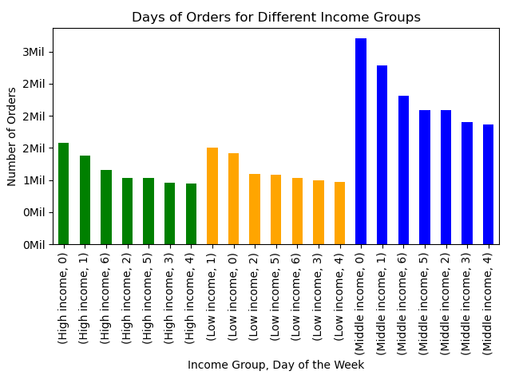

 | Saturday (0) and Sunday (1) had the most number of orders in each Income Group
 |  |  |  |  |  |  |  |  | The customers over age of 40 have significantly higher spending power.

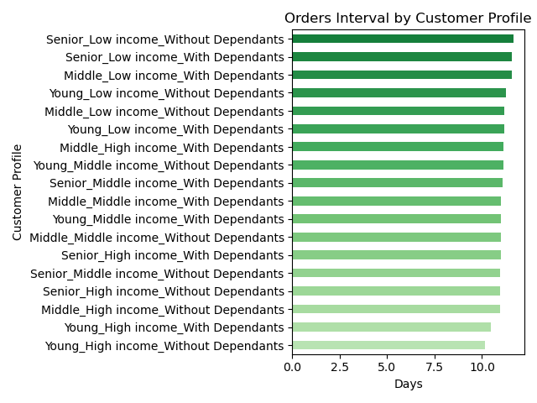
Customer Profile:
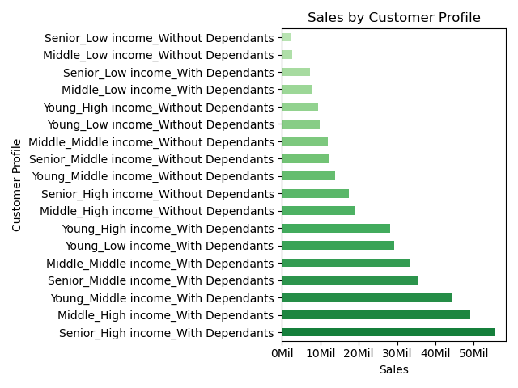
 |  |  |  |  |  |  |  |  |  |  | Orders interval: although 'with dependants' customers contributed more in sales, the customers without depdendants had shorter orders interval (indicating they revisit and purchase more often).
 |  | Sales: High and middle-income customers with dependants had higher sales.

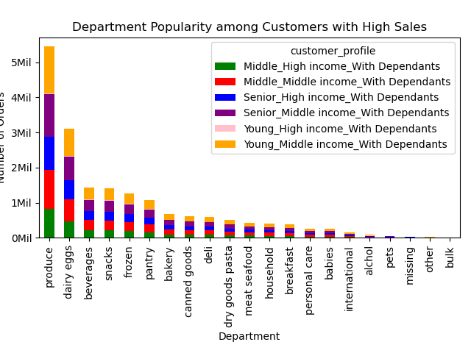

 |  | Department popularity among customers with high sales: 'produce', 'dairy eggs', and 'beverages' were the top 3 popular departments for the selected customers.

7. Recommendations
 |  | Title page

Recommendations

In this tab you should include any recommendations you would made to Instcart in terms of their marketing strategy based on the questions posed in the brief. Every key question has been covered in the Tasks of the Exercises - here you need to add an item - a visualisation or table/crosstable that is showing the answer in the data, acompanied by a comment from you. Please, list the questions below and add the answer underneath.

Question | Answer
Key Question 1: what are the busiest days of the week and hours of the day. | Saturdays and Sundays stand out as the busiest days of the week, with the highest order volumes concentrated around 10 am. Peak order hours extend from 10 am to 3 pm. To enhance marketing campaign effectiveness, consider scheduling social media ads or sending mobile notifications to customers around 9 am. This strategic timing aims to boost sales by capturing customers' attention before the peak order hours and offers an opportunity to present special offers or activities on Fridays.
Key Question 2: Whether there are particular times of the day when people spend the most money. | 11 am is the time of the day people spend the most money and sales are high between 10 am and 4 pm. A recommendation is to send ads and promote sales the day before for customers to plan their purchases.
Key Question 3: Marketing and sales want to use simpler price range groupings to help direct their efforts. | The most commonly purchased items fall within the mid-range price category, ranging from $5 to $15, constituting approximately 65% of total orders. It is highly advisable to allocate a significant proportion of advertising efforts towards promoting this product category.
Key Question 4: Are there certain types of products that are more popular than others? | 'produce', 'dairy eggs' and 'snacks' are the top 3 types of products. Regular promotions for products of these types may boost sales. Or another recommendation is to promote beverage and frozen. While produce, dairy eggs are considered essential to many family's pantry, beverage and frozen may not be. Promoting sales for these departments may help boost sales in addition to the current high sales with the essential departments.
Key Question 5: What’s the distribution among users in regards to their brand loyalty (i.e., how often do they return to Instacart)? | The majority of our customer base falls into the category of 'Regular customers' (orders: 10-40); and then 'Loyal customers' (orders: > 40). Most customers tend to revisit and make a purchase six days after their previous order. To help with the transition rate from being a 'Regular customer' to becoming a 'Loyal customer,' it would be beneficial to explore optimization opportunities for our mobile app. Implementing features that send notifications to customers on their smartphone devices about ongoing sales and deals could effectively attract and engage customers, fostering their loyalty.
Key Question 6: Are there differences in ordering habits based on a customer’s loyalty status? | The majority of sales are attributed to 'Regular customers,' while 'Loyal customers' exhibit the shortest order intervals, typically around 5 days. Regardless of loyalty status, Saturdays and Sundays are the busiest days of the week. The top three product categories are 'produce,' 'dairy eggs,' and 'snacks.' Consider implementing targeted promotions for 'Regular customers' to further enhance their engagement. Additionally, rewarding 'Loyal customers' with loyalty points could serve as an effective strategy to acknowledge and encourage their continued loyalty.
Key Question 7: Are there differences in ordering habits based on a customer’s region? | Customers in 'South' Region account for the largest portion of sales. And the customer behavior regarding ordering time of the day, ordering day of the week as well as popular departments have no big difference.
Key Question 8: Is there a connection between age and family status in terms of ordering habits? | Most of our customers are married. And the loyalty status is well distributed among age groups. No significant connection is detected.
Key Question 9&10: Customer Profile What different classifications does the demographic information suggest? Age? Income? Certain types of goods? Family status? What differences can you find in ordering habits of different customer profiles? Consider the price of orders, the frequency of orders, the products customers are ordering, and anything else you can think of. | Sales were consistently higher among high and middle-income customers with dependents, irrespective of age groups. While customers with dependents made a significant contribution to overall sales, those without dependents exhibited shorter intervals between orders, suggesting more frequent revisits and purchases. To optimize marketing strategies, consider targeting high and middle-income customers with dependents with offerings such as family-friendly products and bundle deals. Simultaneously, implement promotions aimed at encouraging customers without dependents to increase their spending per order, such as offering discounts for larger orders or providing loyalty rewards for reaching specific spending thresholds.

